2023 RES DNPs - Worked by Zip
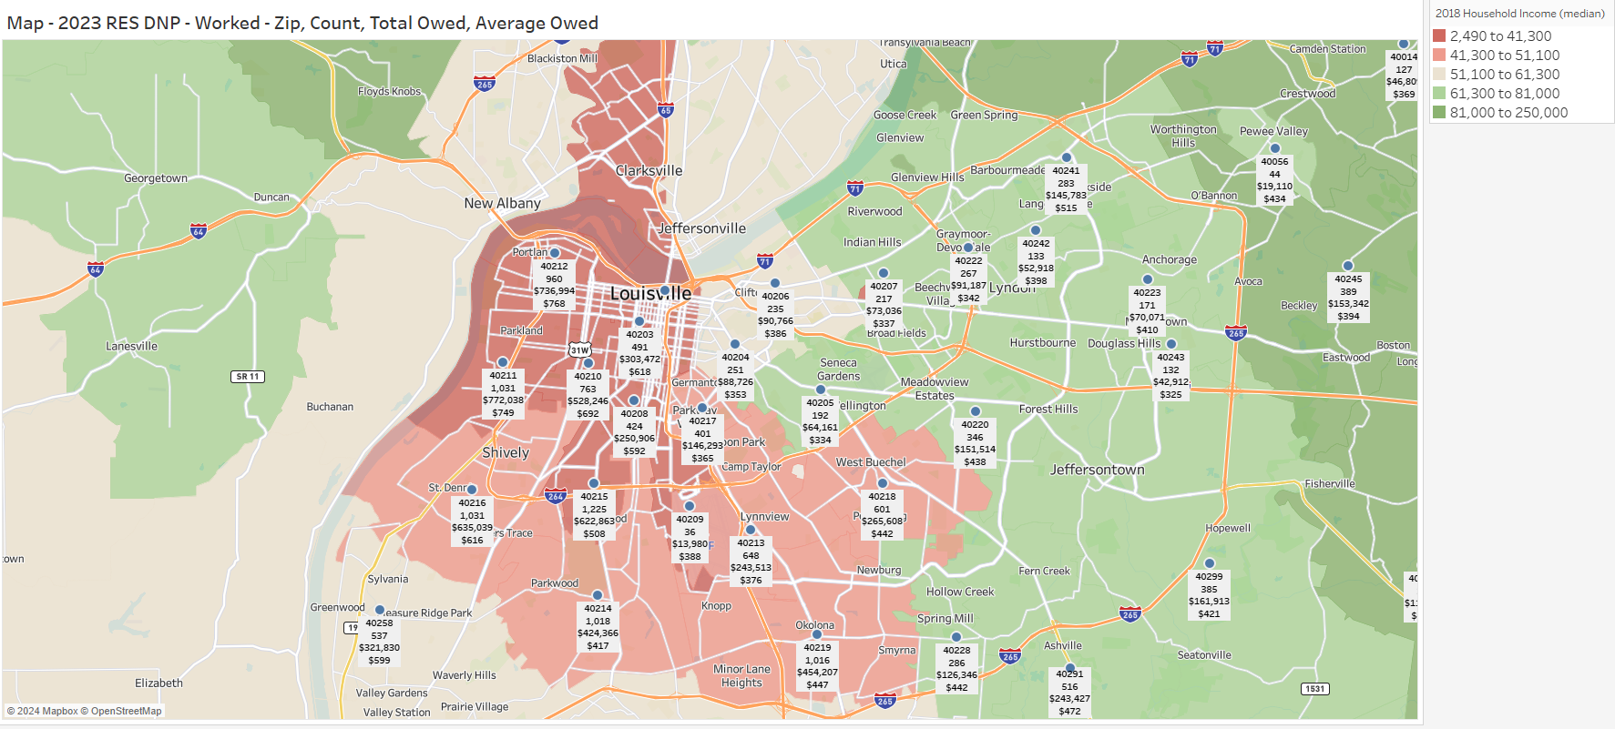
Postal | Count | Average Amount Owed | Total Amount Owed
40014 | 127 | $369 | $46,809
40023 | 28 | $422 | $11,810
40026 | 83 | $284 | $23,548
40047 | 1 | $217 | $217
40056 | 44 | $434 | $19,110
40059 | 159 | $387 | $61,579
40109 | 17 | $242 | $4,108
40118 | 329 | $493 | $162,198
40150 | 17 | $265 | $4,499
40165 | 645 | $446 | $287,472
40177 | 6 | $1,091 | $6,544
40202 | 4 | $950 | $3,799
40203 | 491 | $618 | $303,472
40204 | 251 | $353 | $88,726
40205 | 192 | $334 | $64,161
40206 | 235 | $386 | $90,766
40207 | 217 | $337 | $73,036
40208 | 424 | $592 | $250,906
40209 | 36 | $388 | $13,980
40210 | 763 | $692 | $528,246
40211 | 1031 | $749 | $772,038
40212 | 960 | $768 | $736,994
40213 | 648 | $376 | $243,513
40214 | 1018 | $417 | $424,366
40215 | 1225 | $508 | $622,863
40216 | 1031 | $616 | $635,039
40217 | 401 | $365 | $146,293
40218 | 601 | $442 | $265,608
40219 | 1016 | $447 | $454,207
40220 | 346 | $438 | $151,514
40222 | 267 | $342 | $91,187
40223 | 171 | $410 | $70,071
40228 | 286 | $442 | $126,346
40229 | 912 | $464 | $423,369
40241 | 283 | $515 | $145,783
40242 | 133 | $398 | $52,918
40243 | 132 | $325 | $42,912
40245 | 389 | $394 | $153,342
40258 | 537 | $599 | $321,830
40272 | 946 | $499 | $472,010
40291 | 516 | $472 | $243,427
40299 | 385 | $421 | $161,913
 | 17303 | $509 | $8,802,529

